4 leaves, additive
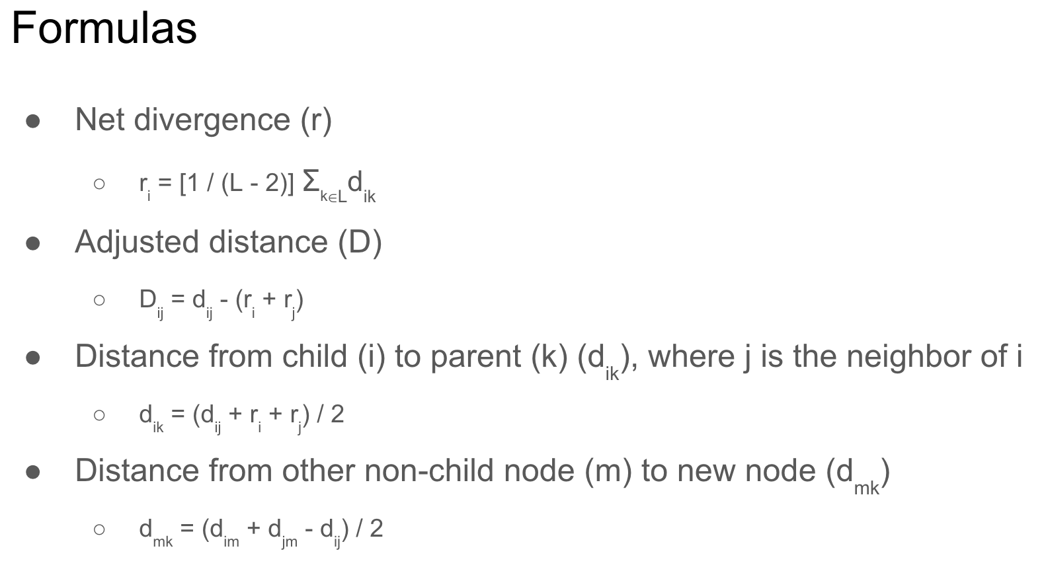

Starting distance matrix

 |  | A | B | C | D |  | T(leaf nodes)= | A, B, C, D
 | A | 0 | 4 | 5 | 10
 | B | 4 | 0 | 7 | 12 |  | L = | 4
 | C | 5 | 7 | 0 | 9
 | D | 10 | 12 | 9 | 0

Iteration 1
 |  |  |  |  |  |  |  | Calculate net divergence (r):
D(AB) and D(CD) are tied for the lowest adjusted distance (D). |  |  |  |  |  |  |  |  | r(A) | 9.5 | [d(AB)+d(AC)+d(AD)]/(L-2)
So, we can pick either to move forward. |  |  |  |  |  |  |  |  | r(B) | 11.5 | [d(AB)+d(BC)+d(BD)]/(L-2)
 |  |  |  |  |  |  |  |  | r(C) | 10.5 | [d(AC)+d(BC)+d(CD)]/(L-2)
Let's pick AB and define a new node Z that connects the siblings. |  |  |  |  |  |  |  |  | r(D) | 15.5 | [d(AD)+d(BD)+d(CD)]/(L-2)

Calculate distance (d) of sibling nodes A and B to parent node Z: |  |  |  |  |  |  |  | Calculate adjusted distance (D):
 | d(AZ) | 1 |  | [d(AB)+r(A)-r(B)]/2 |  |  |  |  | D(AB) | -17 | d(AB)-[r(A)+r(B)]
 | d(BZ) | 3 |  | [d(AB)+r(B)-r(A)]/2 |  |  |  |  | D(AC) | -15 | d(AC)-[r(A)+r(C)]
 | Sanity check: | 0 |  |  |  |  |  |  | D(AD) | -15 | d(AD)-[r(A)+r(D)]
 |  |  |  |  |  |  |  |  | D(BC) | -15 | d(BC)-[r(B)+r(C)]
Alternative calculation of d(BZ): |  |  |  |  |  |  |  |  | D(BD) | -15 | d(BD)-[r(B)+r(D)]
 | d(BZ) | 3 |  | d(AB)-d(AZ) |  |  |  |  | D(CD) | -17 | d(CD)-[r(C)+r(D)]

New distance matrix: |  |  |  |  |  |  |  | Calculate distances (d) to the new node:
 |  |  |  |  |  |  |  |  | d(ZC) | 4 | [d(AC)+d(BC)-d(AB)]/2
 |  | Z | C | D |  |  |  |  | d(ZD) | 9 | [d(AD)+d(BD)-d(AB)]/2
 | Z | 0 | 4 | 9 |  | L = | 3
 | C | 4 | 0 | 9 |  | Now, there are only 3 nodes
 | D | 9 | 9 | 0

Iteration 2
 |  |  |  |  |  |  |  | Calculate net divergence (r):
D(ZC) has the lowest adjusted distance (D). |  |  |  |  |  |  |  |  | r(Z) | 13 | [d(ZC)+d(ZD)]/(L-2)
 |  |  |  |  |  |  |  |  | r(C) | 13 | [d(ZC)+d(CD)]/(L-2)
So, we select ZC and define a new node Y that connects the siblings. |  |  |  |  |  |  |  |  | r(D) | 18 | [d(ZD)+d(CD)]/(L-2)

Calculate distance (d) of sibling nodes Z and C to parent node Y: |  |  |  |  |  |  |  | Calculate adjusted distance (D):
 | d(ZY) | 2 |  | [d(CZ)+r(Z)-r(C)]/2 |  |  |  |  | D(ZC) | -22 | d(ZC)-[r(Z)+r(C)]
 | d(CY) | 2 |  | [d(CZ)+r(C)-r(Z)]/2 |  |  |  |  | D(ZD) | -22 | d(ZD)-[r(Z)+r(D)]
 | Sanity check: | 0 |  |  |  |  |  |  | D(CD) | -22 | d(CD)-[r(C)+r(D)]

Alternative calculation of d(CY): |  |  |  |  |  |  |  | Calculate distances (d) to the new node:
 | d(CY) | 2 |  | d(ZC)-d(ZY) |  |  |  |  | d(YD) | 7 | [d(ZD)+d(CD)-d(ZC)]/2

New distance matrix:

 |  | Y | D |  |  | L = | 2
 | Y | 0 | 7
 | D | 7 | 0

Termination

L now consists of only 2 nodes (Y and D), so we add the edge between them to finish the tree.

Reconstruct distance matrix:

 | A | B | C | D |  | Matches the starting matrix!
A | 0 | 4 | 5 | 10
B | 4 | 0 | 7 | 12
C | 5 | 7 | 0 | 9
D | 10 | 12 | 9 | 0

